Videogame data
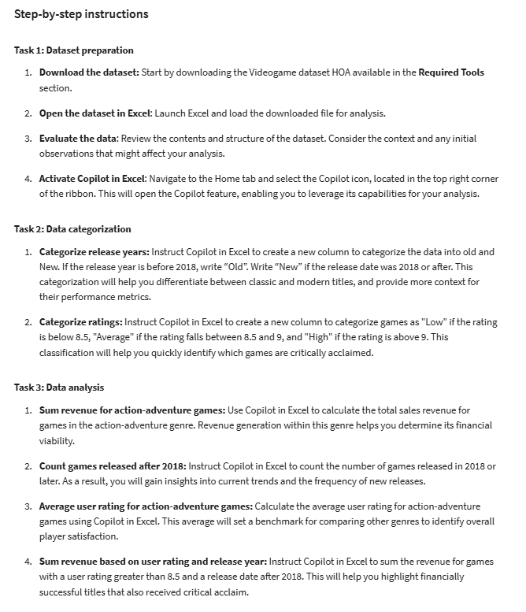
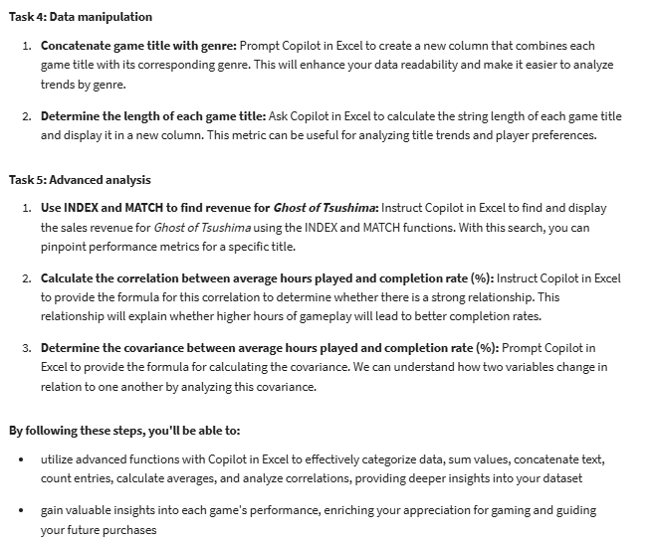
Game Title | Genre | Sales Revenue ($) | User Rating (out of 10) | Release Year | Average Hours Played | Completion Rate (%) | Player Satisfaction (1-5)
Red Dead Redemption 2 | Action-Adventure | 725,000,000 | 9.8 | 2018 | 60 | 90% | 5
The Witcher 3: Wild Hunt | RPG | 50,000,000 | 9.5 | 2015 | 50 | 85% | 5
God of War | Action-Adventure | 200,000,000 | 9.6 | 2018 | 40 | 80% | 5
Monster Hunter: World | Action RPG | 300,000,000 | 9 | 2018 | 55 | 70% | 4
Horizon Zero Dawn | Action RPG | 300,000,000 | 9 | 2017 | 40 | 75% | 4
The Last of Us Part II | Action-Adventure | 400,000,000 | 9.7 | 2020 | 25 | 50% | 3
Dark Souls III | Action RPG | 100,000,000 | 9.2 | 2016 | 35 | 60% | 3
Sekiro: Shadows Die Twice | Action-Adventure | 100,000,000 | 9.5 | 2019 | 30 | 50% | 3
Ghost of Tsushima | Action-Adventure | 250,000,000 | 9.5 | 2020 | 40 | 65% | 4
Fallout 4 | RPG | 750,000,000 | 9 | 2015 | 45 | 100% | 4
Cyberpunk 2077 | RPG | 300,000,000 | 7.5 | 2020 | 40 | 55% | 3
Assassin's Creed Valhalla | Action-Adventure | 200,000,000 | 8.5 | 2020 | 50 | 75% | 4
Final Fantasy VII Remake | RPG | 120,000,000 | 8.7 | 2020 | 30 | 55% | 4
Star Wars Jedi: Fallen Order | Action-Adventure | 150,000,000 | 8.5 | 2019 | 25 | 60% | 4
Spider-Man: Miles Morales | Action-Adventure | 200,000,000 | 9 | 2020 | 20 | 75% | 5
Resident Evil Village | Survival Horror | 150,000,000 | 8.5 | 2021 | 15 | 40% | 4
Returnal | Action | 100,000,000 | 8.3 | 2021 | 20 | 50% | 4
Tom Clancy's The Division | Action RPG | 100,000,000 | 8 | 2016 | 30 | 60% | 3
Persona 5 | RPG | 50,000,000 | 9 | 2016 | 80 | 95% | 5
Detroit: Become Human | Action-Adventure | 50,000,000 | 8.8 | 2018 | 15 | 45% | 4

